Comfrey
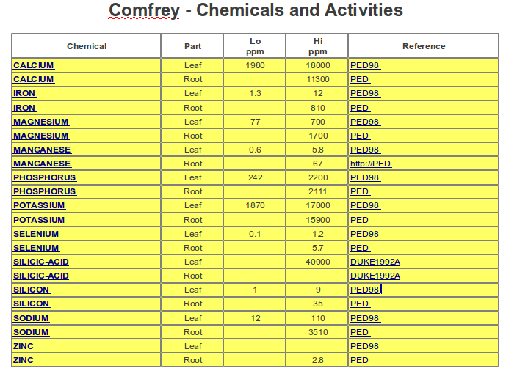

Source: | http://sun.ars-grin.gov:8080/npgspub/xsql/duke/plantdisp.xsql?taxon=984

